Sheet1
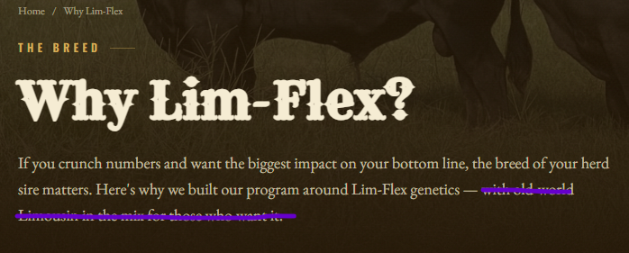
Home | Bulls | Cows | Why Lim-Flex | About Us | Contact
Please take out the Co. and make the location Gary, TX. Can we add 2 phone numbers? One for Bruce (903) 263-7155 and one for Victoria (903) 631-9363? | 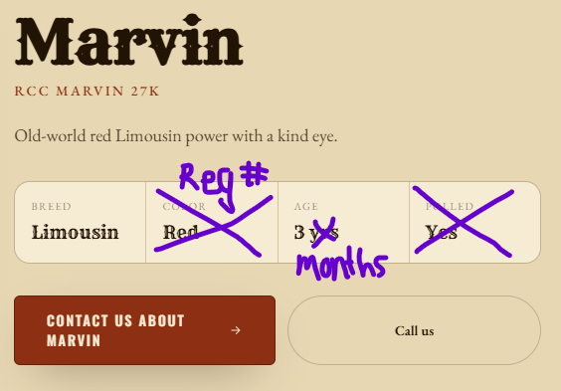 The newest pictures will be at the top and first in the reel, right? We can replace the Color and Polled fields with their Registration # and we refer to their age in months, not years. I'm guessing that this is automatically calculated from the date of birth field. If we mark a bull as sold, can the formula stop adding months? Otherwise 10 years from now we will have 138 month old bulls shown. What's the different between the two contact buttons? I would rather have just one that will take you to the contact page with our phone numbers. | This can be built out as a copy and paste from the bull page once we have all the updates in. We will want the same information and EPDs. |  | 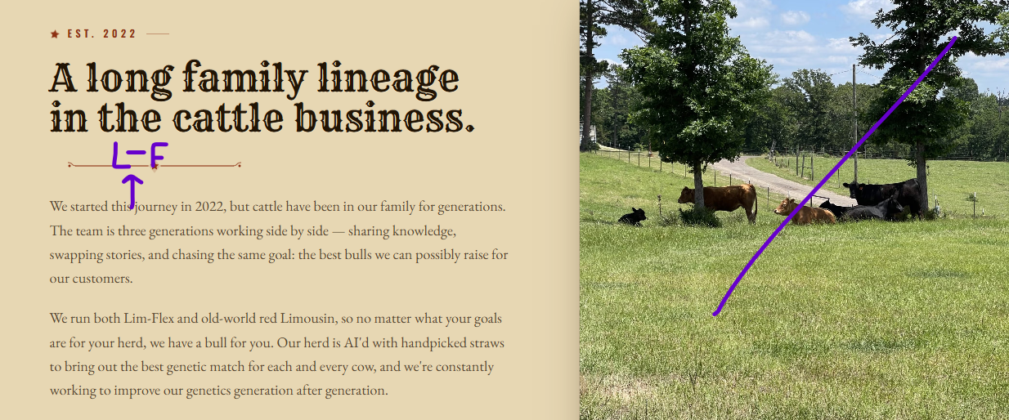 Pleaes add Lim-Flex | Please confirm the facebook link goes to Rocking C Cattle. It didn't work for me.
 |  |  |  |  | https://www.facebook.com/rockingccattle
Also, it looks like the bottom bar of the brand is cut off. Can we change that to the original image I provided?

Please replace the video in the background with this native one.
Please change to read "We sell our virgin bulls at 22-24 months old to make sure they are mature enough to get straight to work. All our bulls are fully vaccinated, vet checked, and fertility tested."

 |  |  |  | 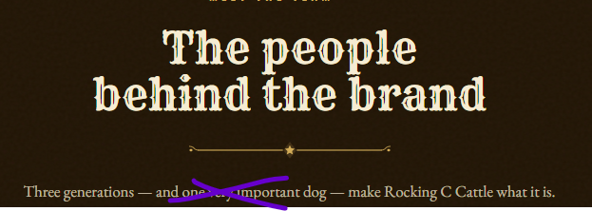 Kimber is our daughter. There isn't a dog in the mix.

Remove this last part please

 | We can remove this whole section and go straight to the EPDs.
 |  |  |  | I don't want any titles under the names and please switch their locations. We can also take out the middle part about Bruce & Sherry.

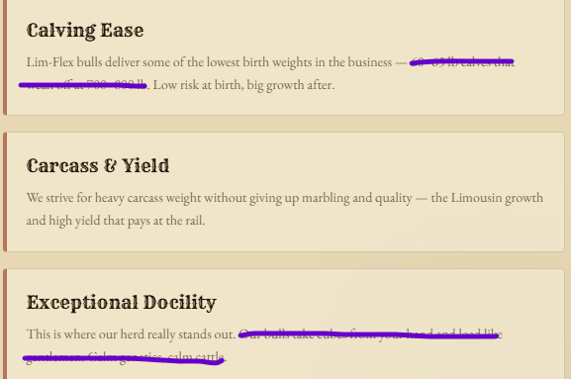 Please remove this one part in calving ease. In docility, replace with "We specifically breed to maximize this trait, enabling us to offer some of the easiest handling bulls in the state." |  |  |  | 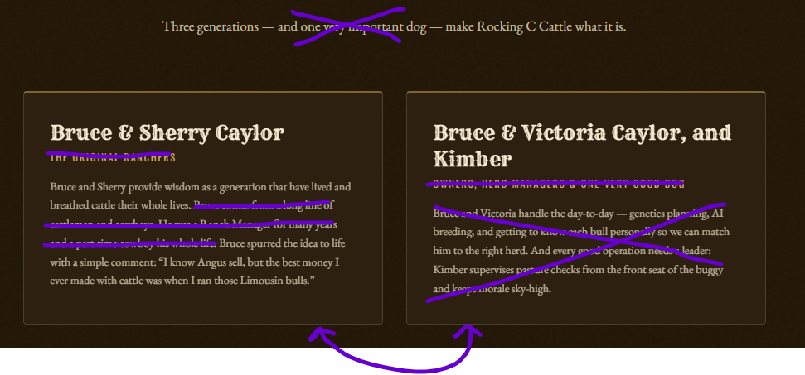 Update to "Bruce and Victoria have spent countless hours studying genetics and how they impact performance and EPDs. They crunch the numbers and hand select every sire for each dam to maxamize the genetic traits of the calf."

 | 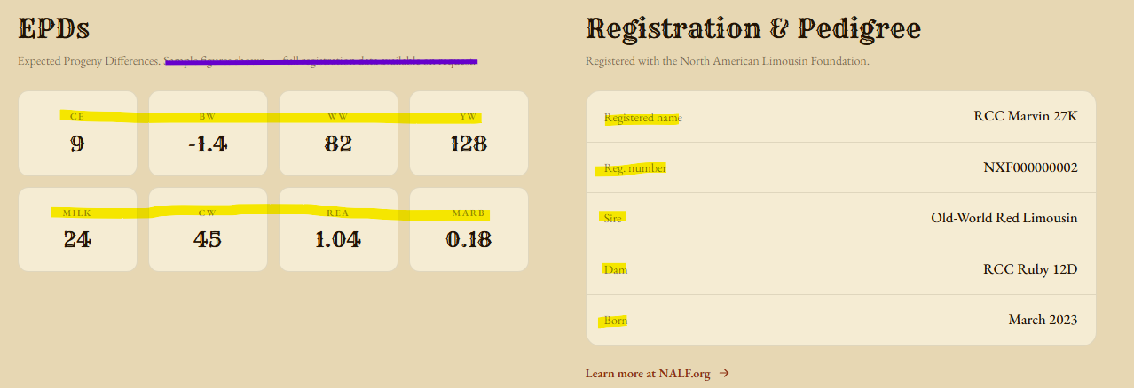 Please take out part of the text under EPDs and make the hightlighted text a little larger.

 |  |  |  | 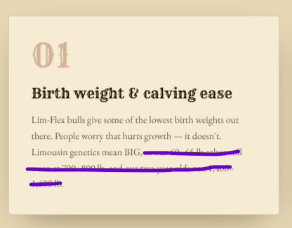 "Lim-Flex bulls give some of the lowest birth weights out there. People worry that hurts growth — it doesn't. Limousin genetics mean BIG. Once our light calves hit the ground, they grow at an explosive rate."

 | How do you change from Coming Soon to Available?

